Script
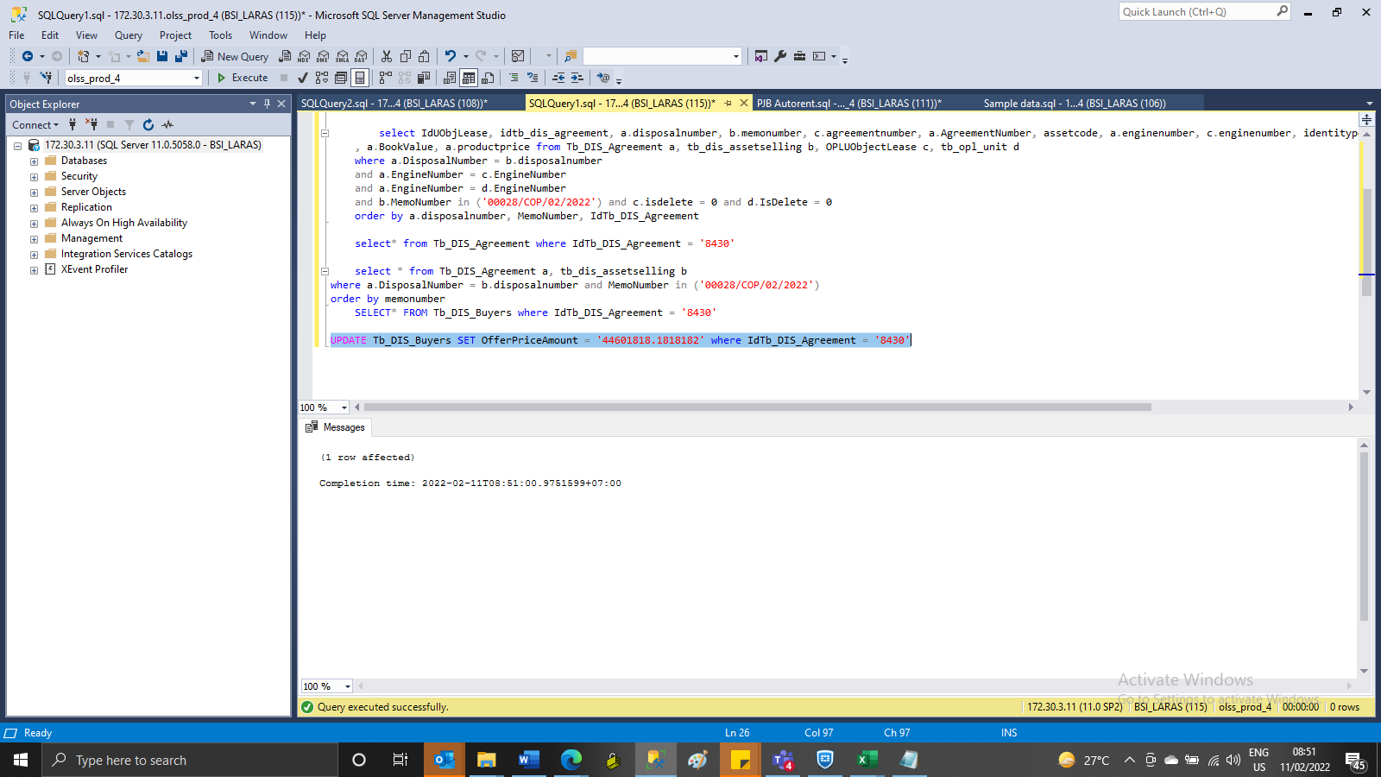
UPDATE Tb_DIS_Buyers SET OfferPriceAmount = '44601818.1818182' where IdTb_DIS_Agreement = '8430'

SS
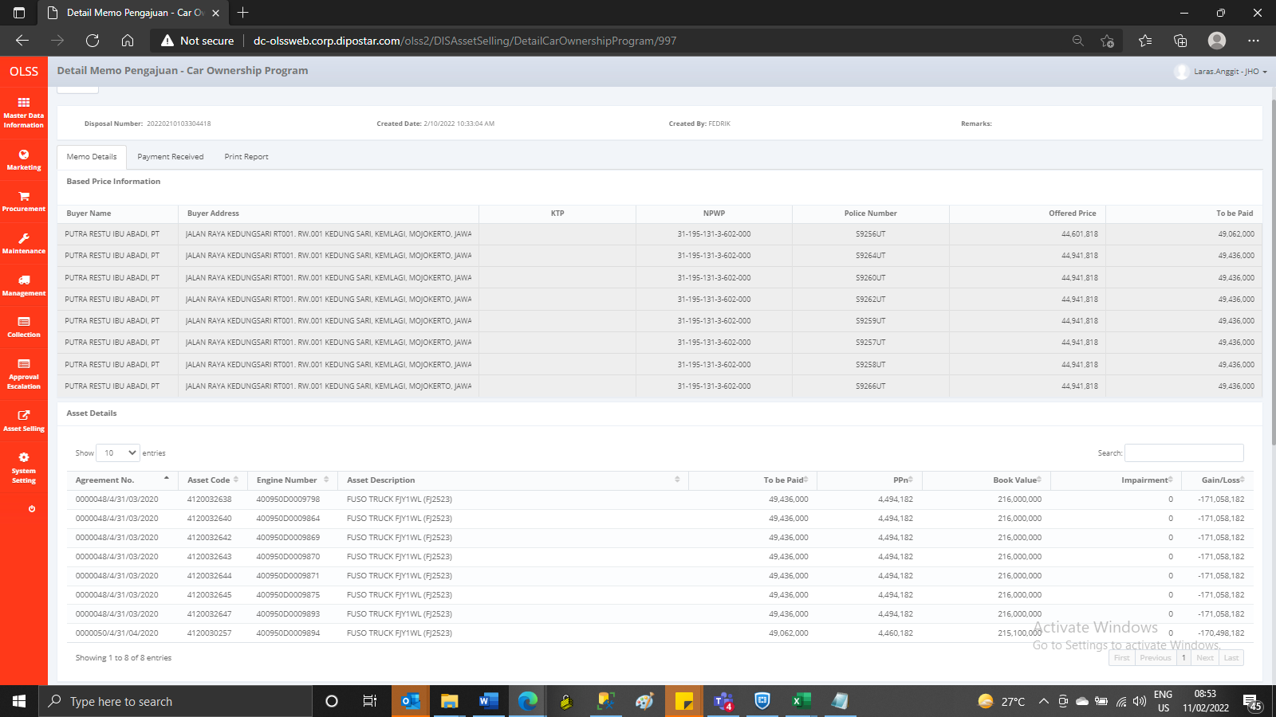
BEFORE
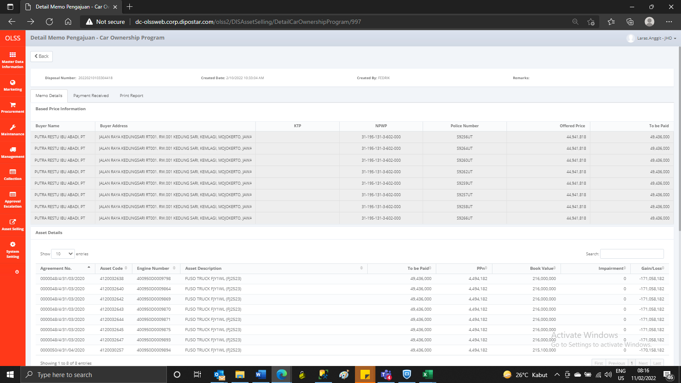

AFTER

